Sheet1
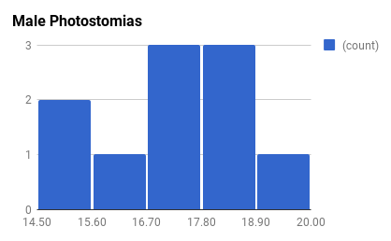
21.03 | 4.9422 | F
11.01 | 0.6583 | F
17.71 | 2.574 | F
20.13 | 3.8907 | F
14.66 | 1.4192 | F
20.39 | 5.299 | F
17.2 | 1.7676 | F
20.88 | 5.3774 | F
14.8 | 1.3273 | F
17.49 | 3.4954 | F
20.34 | 2.698 | F
17.87 | 2.3303 | F
17.61 | 1.8341 | F
18.11 | 2.2485 | F
13.34 | 0.8722 | F
16.57 | 1.4509 | F
25.66 | 9.1134 | F
17.72 | 2.265 | F
15.52 | 1.1393 | F
18.03 | 2.2951 | F
18.21 | 3.5203 | F
12.27 | 0.7043 | F
13.06 | 0.9484 | F
12.38 | 0.739 | F
13.97 | 1.1303 | F
14.66 | 1.3588 | F
14.41 | 1.0108 | F
19.18 | 4.58 | F
21.83 | 5.781 | F
20.15 | 3.4125 | F
15.35 | 0.9394 | F
jl | mass | sex

M | 2.6445 | 18.88
M | 4.4336 | 19.84
M | 2.7733 | 18.03
M | 2.4222 | 17.04
M | 1.7633 | 16
M | 1.6714 | 15.51
M | 2.815 | 18.71
M | 1.955 | 17.27
M | 1.3249 | 14.92
M | 2.3079 | 16.74
M | 1.801 | NA
sex | mass | jl

